orders_positions
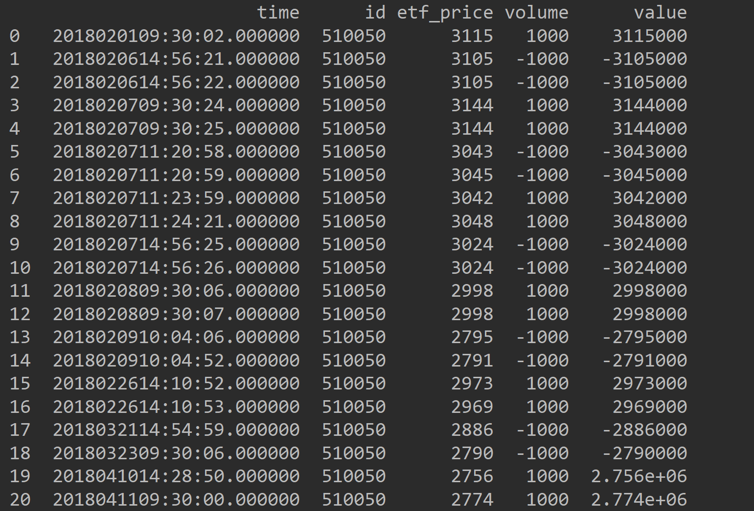
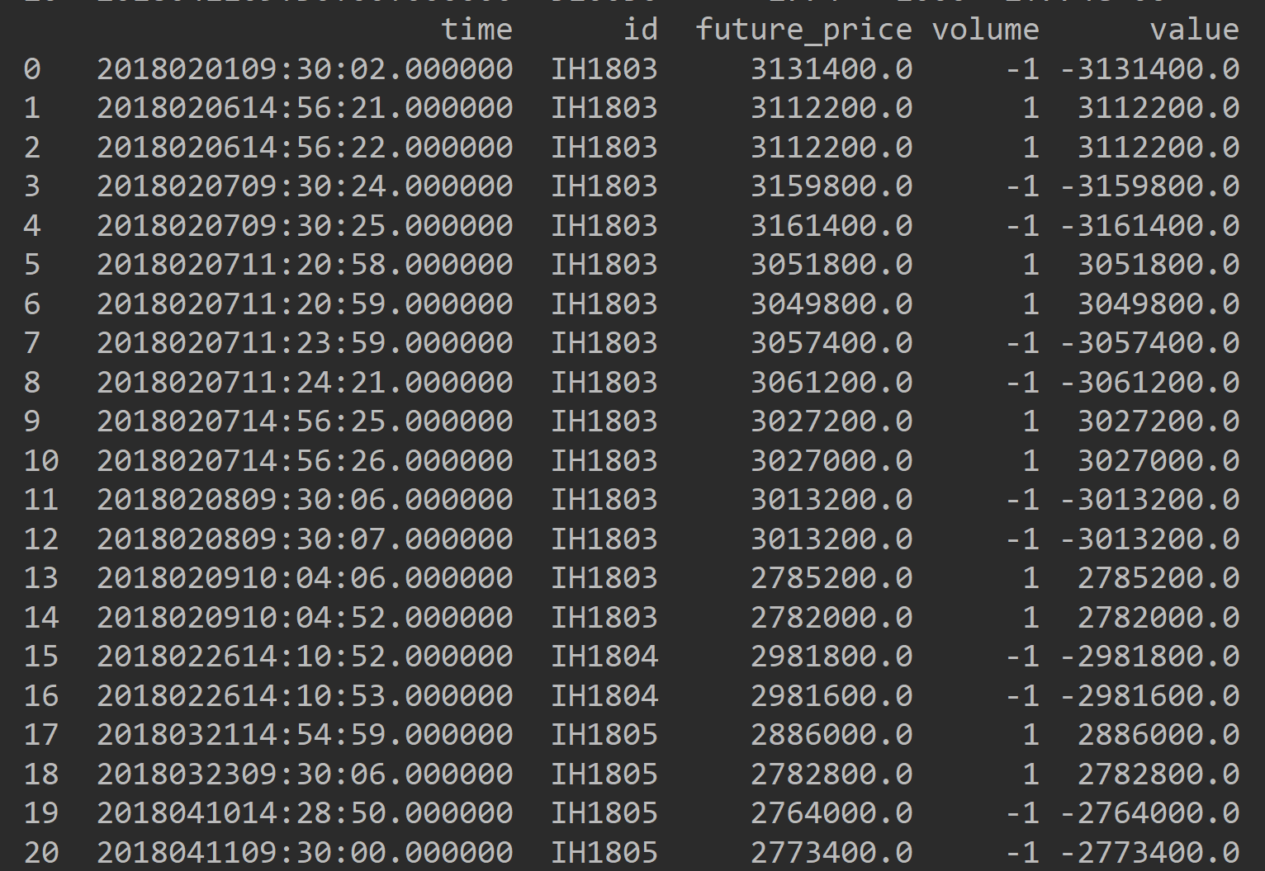
 | datetime | instrument | id | direction | price | volume | isover | status | cash_flow
0 | 2/1/18 | ETF | 510050 | 1 | 3115 | 1000 | TRUE | Deal | -3115000
1 | 2/1/18 | Future | IH1803 | -1 | 3131400 | 1 | TRUE | Deal | 3131400 |  | profit
2 | 2/6/18 | ETF | 510050 | -1 | 3105 | 1000 | TRUE | Deal | 3105000 |  | 129200
3 | 2/6/18 | Future | IH1803 | 1 | 3112200 | 1 | TRUE | Deal | -3112200
4 | 2/6/18 | ETF | 510050 | -1 | 3105 | 1000 | TRUE | Deal | 3105000
5 | 2/6/18 | Future | IH1803 | 1 | 3112200 | 1 | TRUE | Deal | -3112200
6 | 2/7/18 | ETF | 510050 | 1 | 3144 | 1000 | TRUE | Deal | -3144000
7 | 2/7/18 | Future | IH1803 | -1 | 3159800 | 1 | TRUE | Deal | 3159800
8 | 2/7/18 | ETF | 510050 | 1 | 3144 | 1000 | TRUE | Deal | -3144000
9 | 2/7/18 | Future | IH1803 | -1 | 3161400 | 1 | TRUE | Deal | 3161400
10 | 2/7/18 | ETF | 510050 | -1 | 3043 | 1000 | TRUE | Deal | 3043000
11 | 2/7/18 | Future | IH1803 | 1 | 3051800 | 1 | TRUE | Deal | -3051800
12 | 2/7/18 | ETF | 510050 | -1 | 3045 | 1000 | TRUE | Deal | 3045000
13 | 2/7/18 | Future | IH1803 | 1 | 3049800 | 1 | TRUE | Deal | -3049800
14 | 2/7/18 | ETF | 510050 | 1 | 3042 | 1000 | TRUE | Deal | -3042000
15 | 2/7/18 | Future | IH1803 | -1 | 3057400 | 1 | TRUE | Deal | 3057400
16 | 2/7/18 | ETF | 510050 | 1 | 3048 | 1000 | TRUE | Deal | -3048000
17 | 2/7/18 | Future | IH1803 | -1 | 3061200 | 1 | TRUE | Deal | 3061200
18 | 2/7/18 | ETF | 510050 | -1 | 3024 | 1000 | TRUE | Deal | 3024000
19 | 2/7/18 | Future | IH1803 | 1 | 3027200 | 1 | TRUE | Deal | -3027200
20 | 2/7/18 | ETF | 510050 | -1 | 3024 | 1000 | TRUE | Deal | 3024000
21 | 2/7/18 | Future | IH1803 | 1 | 3027000 | 1 | TRUE | Deal | -3027000
22 | 2/8/18 | ETF | 510050 | 1 | 2998 | 1000 | TRUE | Deal | -2998000
23 | 2/8/18 | Future | IH1803 | -1 | 3013200 | 1 | TRUE | Deal | 3013200
24 | 2/8/18 | ETF | 510050 | 1 | 2998 | 1000 | TRUE | Deal | -2998000
25 | 2/8/18 | Future | IH1803 | -1 | 3013200 | 1 | TRUE | Deal | 3013200
26 | 2/9/18 | ETF | 510050 | -1 | 2795 | 1000 | TRUE | Deal | 2795000
27 | 2/9/18 | Future | IH1803 | 1 | 2785200 | 1 | TRUE | Deal | -2785200
28 | 2/9/18 | ETF | 510050 | -1 | 2791 | 1000 | TRUE | Deal | 2791000
29 | 2/9/18 | Future | IH1803 | 1 | 2782000 | 1 | TRUE | Deal | -2782000
30 | 2/26/18 | ETF | 510050 | 1 | 2973 | 1000 | TRUE | Deal | -2973000
31 | 2/26/18 | Future | IH1804 | -1 | 2981800 | 1 | TRUE | Deal | 2981800
32 | 2/26/18 | ETF | 510050 | 1 | 2969 | 1000 | TRUE | Deal | -2969000
33 | 2/26/18 | Future | IH1804 | -1 | 2981600 | 1 | TRUE | Deal | 2981600
34 | 3/21/18 | ETF | 510050 | -1 | 2886 | 1000 | TRUE | Deal | 2886000
35 | 3/21/18 | Future | IH1805 | 1 | 2886000 | 1 | TRUE | Deal | -2886000
36 | 3/23/18 | ETF | 510050 | -1 | 2790 | 1000 | TRUE | Deal | 2790000
37 | 3/23/18 | Future | IH1805 | 1 | 2782800 | 1 | TRUE | Deal | -2782800
38 | 4/10/18 | ETF | 510050 | 1 | 2756 | 1000 | TRUE | Deal | -2756000
39 | 4/10/18 | Future | IH1805 | -1 | 2764000 | 1 | TRUE | Deal | 2764000
40 | 4/11/18 | ETF | 510050 | 1 | 2774 | 1000 | TRUE | Deal | -2774000
41 | 4/11/18 | Future | IH1805 | -1 | 2773400 | 1 | TRUE | Deal | 2773400
 |  |  |  |  |  |  |  |  | 129200

 | etf仓位变化情况 |  |  |  |  |  |  |  |  | 期货仓位变化情况

